Segmented Conga
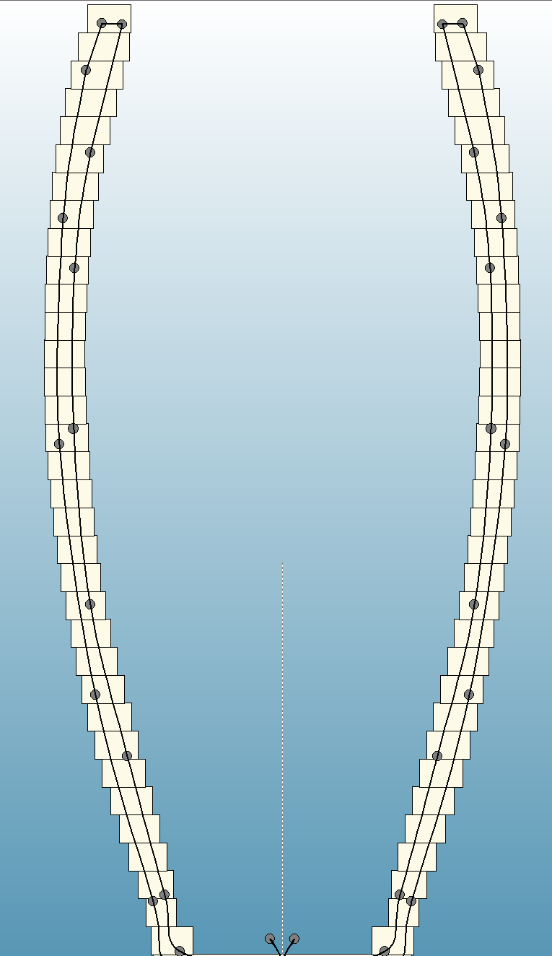
Conga: 680 Pieces |  | Sements per Ring: 20 |  |  | Angle: 9.00 |  | Ring Thickness: 0.875
 | Outer |  |  | Board
Row | Diameter | SEL | Width | Length | Walnut | Maple | Yellow | Dimensions: 29.75" Tall x 12" Diameter Head | Walnut Area | Maple Area | Yellow Area
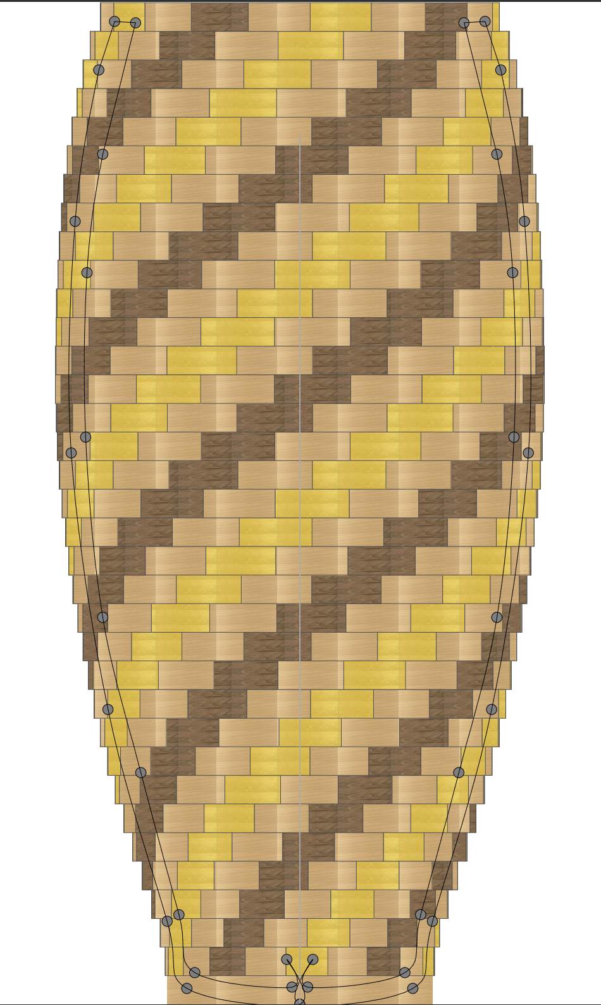
34 | 12.22 | 1.94 | 1.4 | 36.94 | 5 | 10 | 5 |  | 13.58 | 27.16 | 13.58
33 | 12.84 | 2.03 | 1.7 | 38.15 | 5 | 10 | 5 |  | 17.255 | 34.51 | 17.255
32 | 13.28 | 2.1 | 1.7 | 39.49 | 5 | 10 | 5 |  | 17.85 | 35.7 | 17.85
31 | 13.64 | 2.16 | 1.65 | 40.7 | 5 | 10 | 5 |  | 17.82 | 35.64 | 17.82
30 | 13.95 | 2.21 | 1.6 | 41.82 | 5 | 10 | 5 |  | 17.68 | 35.36 | 17.68
29 | 14.24 | 2.26 | 1.55 | 42.9 | 5 | 10 | 5 |  | 17.515 | 35.03 | 17.515
28 | 14.46 | 2.29 | 1.5 | 43.73 | 5 | 10 | 5 |  | 17.175 | 34.35 | 17.175
27 | 14.6 | 2.31 | 1.45 | 44.41 | 5 | 10 | 5 |  | 16.7475 | 33.495 | 16.7475
26 | 14.73 | 2.33 | 1.4 | 44.93 | 5 | 10 | 5 |  | 16.31 | 32.62 | 16.31
25 | 14.81 | 2.35 | 1.35 | 45.27 | 5 | 10 | 5 |  | 15.8625 | 31.725 | 15.8625
24 | 14.9 | 2.36 | 1.35 | 45.54 | 5 | 10 | 5 |  | 15.93 | 31.86 | 15.93
23 | 14.92 | 2.36 | 1.35 | 45.68 | 5 | 10 | 5 |  | 15.93 | 31.86 | 15.93
22 | 14.96 | 2.37 | 1.35 | 45.81 | 5 | 10 | 5 |  | 15.9975 | 31.995 | 15.9975
21 | 14.97 | 2.37 | 1.35 | 45.76 | 5 | 10 | 5 |  | 15.9975 | 31.995 | 15.9975
20 | 14.91 | 2.36 | 1.35 | 45.61 | 5 | 10 | 5 |  | 15.93 | 31.86 | 15.93
19 | 14.84 | 2.35 | 1.39 | 45.33 | 5 | 10 | 5 |  | 16.3325 | 32.665 | 16.3325
18 | 14.73 | 2.33 | 1.39 | 44.98 | 5 | 10 | 5 |  | 16.1935 | 32.387 | 16.1935
17 | 14.56 | 2.31 | 1.37 | 44.5 | 5 | 10 | 5 |  | 15.8235 | 31.647 | 15.8235
16 | 14.35 | 2.27 | 1.35 | 43.94 | 5 | 10 | 5 |  | 15.3225 | 30.645 | 15.3225
15 | 14.15 | 2.24 | 1.35 | 43.31 | 5 | 10 | 5 |  | 15.12 | 30.24 | 15.12
14 | 13.9 | 2.2 | 1.31 | 42.57 | 5 | 10 | 5 |  | 14.41 | 28.82 | 14.41
13 | 13.59 | 2.15 | 1.3 | 41.64 | 5 | 10 | 5 |  | 13.975 | 27.95 | 13.975
12 | 13.27 | 2.1 | 1.31 | 40.61 | 5 | 10 | 5 |  | 13.755 | 27.51 | 13.755
11 | 12.95 | 2.05 | 1.35 | 39.45 | 5 | 10 | 5 |  | 13.8375 | 27.675 | 13.8375
10 | 12.61 | 2 | 1.4 | 38.23 | 5 | 10 | 5 |  | 14 | 28 | 14
9 | 12.22 | 1.93 | 1.43 | 36.9 | 5 | 10 | 5 |  | 13.7995 | 27.599 | 13.7995
8 | 11.77 | 1.86 | 1.41 | 35.54 | 5 | 10 | 5 |  | 13.113 | 26.226 | 13.113
7 | 11.31 | 1.79 | 1.39 | 34.13 | 5 | 10 | 5 |  | 12.4405 | 24.881 | 12.4405
6 | 10.79 | 1.71 | 1.35 | 32.56 | 5 | 10 | 5 |  | 11.5425 | 23.085 | 11.5425
5 | 10.24 | 1.62 | 1.35 | 30.99 | 5 | 10 | 5 |  | 10.935 | 21.87 | 10.935
4 | 9.66 | 1.53 | 1.23 | 29.38 | 5 | 10 | 5 |  | 9.4095 | 18.819 | 9.4095
3 | 9.09 | 1.44 | 1.16 | 27.8 | 5 | 10 | 5 |  | 8.352 | 16.704 | 8.352
2 | 8.56 | 1.36 | 1.35 | 26.67 | 5 | 10 | 5 |  | 9.18 | 18.36 | 9.18
1 | 8.25 | 1.31 | 1.35 | 24.6 | 5 | 10 | 5 |  | 8.8425 | 17.685 | 8.8425
 |  |  |  |  |  |  |  |  | 493.964 | 987.928 | 493.964

 |  |  |  |  |  | Bd Ft of Walnut | 3.43
 |  | 20*34 = | 680 |  |  | Bd Ft of Maple | 6.86
 |  |  |  |  |  | Bd Ft of Yellow | 3.43
 |  |  |  |  |  | Total Board Feet | 13.72

